Error 1
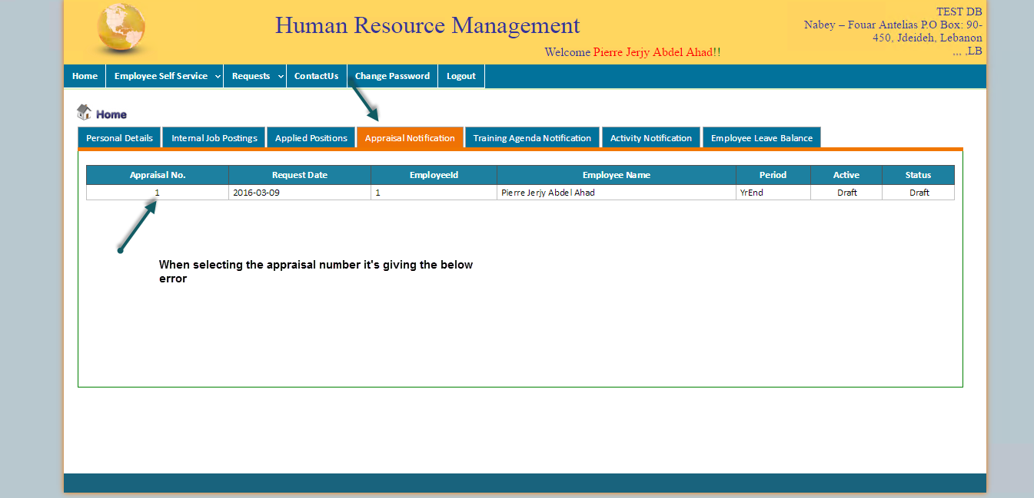

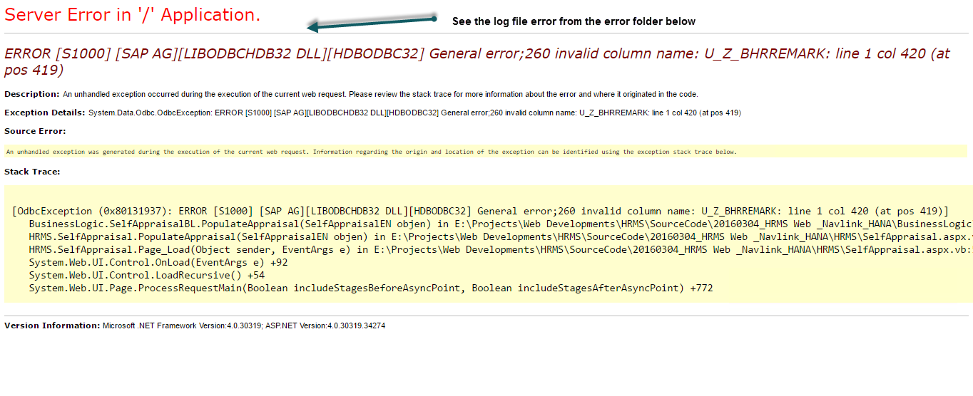

Log Entry :
03/15/2016 11:46:38
Error in: http://localhost:81/SelfAppraisal.aspx?AppraisalNo=1&Empno=1. Error Message:ERROR [S1000] [SAP AG][LIBODBCHDB32 DLL][HDBODBC32] General error;260 invalid column name: U_Z_BHRREMARK: line 1 col 420 (at pos 419)
__________________________

Log Entry :
03/15/2016 11:46:38
Error in: http://localhost:81/SelfAppraisal.aspx?AppraisalNo=1&Empno=1. Error Message:Error in: http://localhost:81/SelfAppraisal.aspx?AppraisalNo=1&Empno=1. Error Message:ERROR [S1000] [SAP AG][LIBODBCHDB32 DLL][HDBODBC32] General error;260 invalid column name: U_Z_BHRREMARK: line 1 col 420 (at pos 419)
__________________________

Error 2
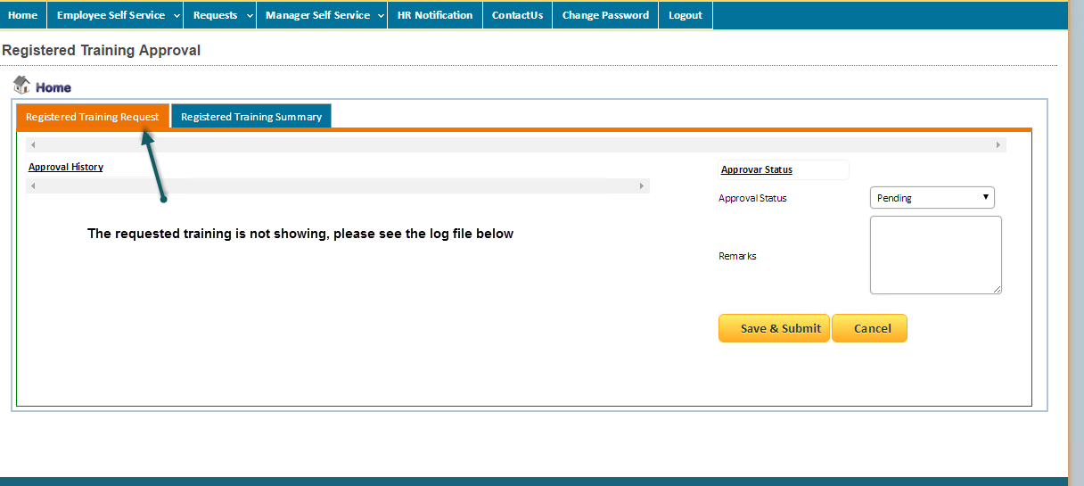

Log Entry :
03/15/2016 12:45:16
Error in: http://localhost:81/RegTrainApproval.aspx. Error Message:ERROR [42000] [SAP AG][LIBODBCHDB32 DLL][HDBODBC32] Syntax error or access violation;257 sql syntax error: incorrect syntax near "U_Z_Active": line 1 col 1419 (at pos 1419)

Error 3
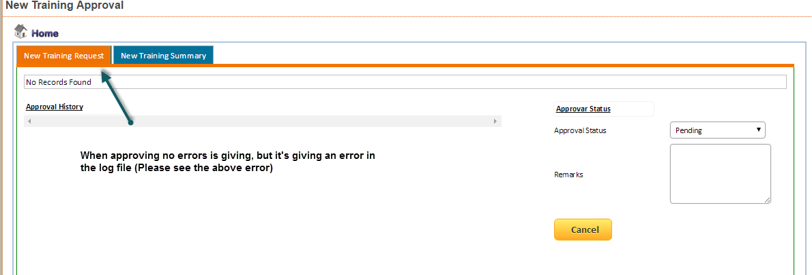
Log Entry :
03/15/2016 12:23:53
Error in: http://localhost:81/NewTrainApproval.aspx. Error Message:1). [SAP AG][LIBODBCHDB32 DLL][HDBODBC32] General error;260 invalid column name: T0.U_Z_HREmpId: line 1 col 106 (at pos 105)

Error 4
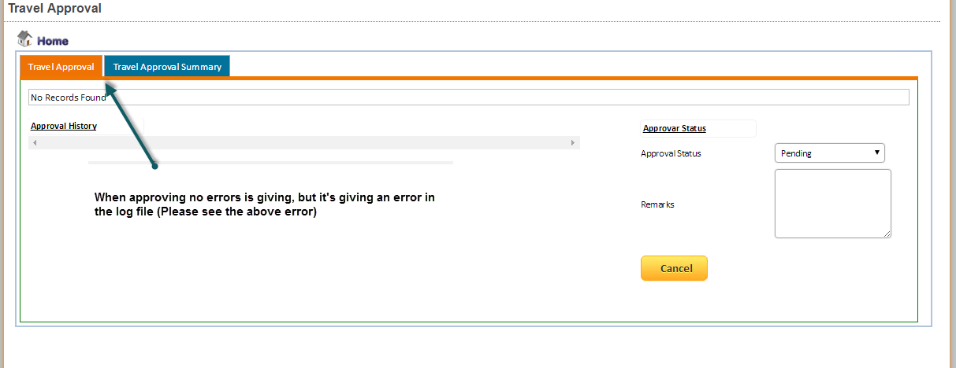

Log Entry :
03/15/2016 14:51:00
Error in: http://localhost:81/TravelApproval.aspx. Error Message:1). [SAP AG][LIBODBCHDB32 DLL][HDBODBC32] General error;260 invalid column name: U_Z_AMAN: line 1 col 112 (at pos 111)

__________________________

Error 5
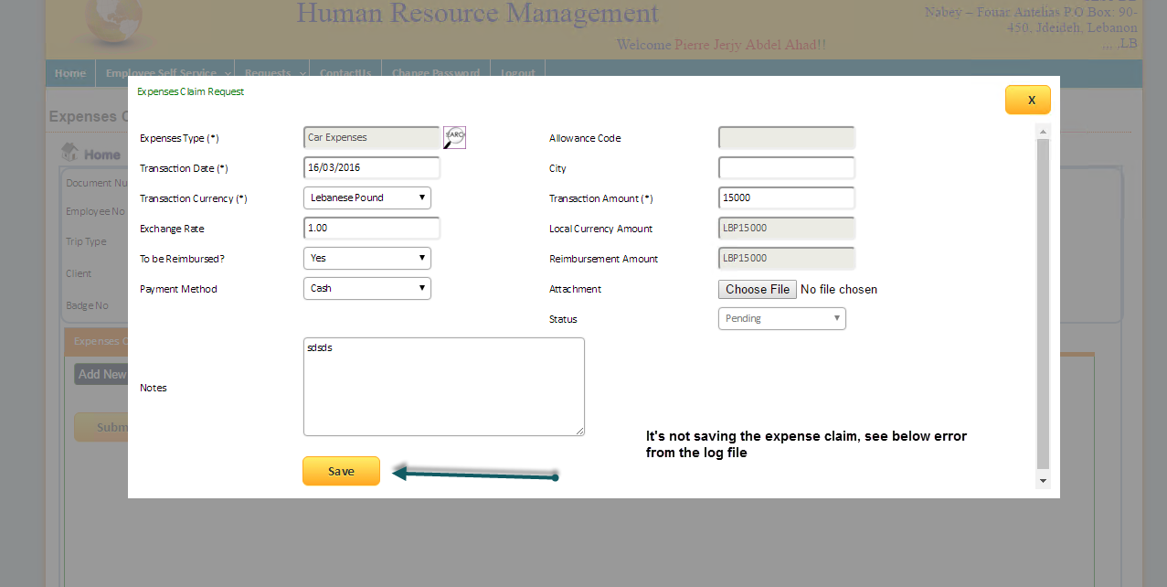

Log Entry :
03/15/2016 15:36:14
Error in: http://localhost:81/ExpensesClaimReq.aspx. Error Message:ERROR [S1000] [SAP AG][LIBODBCHDB32 DLL][HDBODBC32] General error;339 invalid number: cannot parse the string '' as a number

Error 6
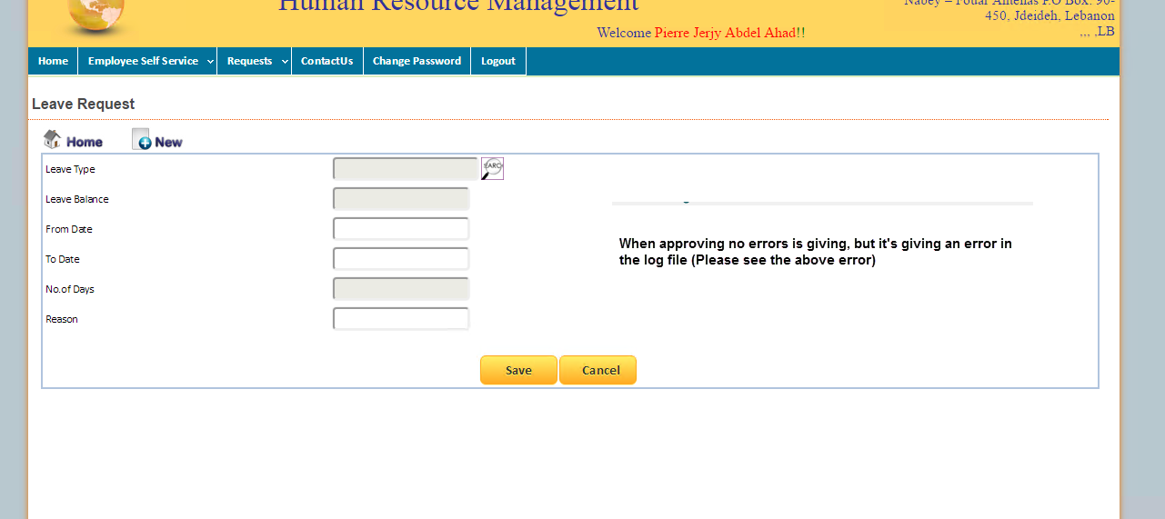

Log Entry :
03/15/2016 15:42:08
Error in: http://localhost:81/LeaveRequest.aspx. Error Message:Index and length must refer to a location within the string.
Parameter name: length1
__________________________

Log Entry :
03/15/2016 15:46:30
Error in: http://localhost:81/LeaveRequestApproval.aspx. Error Message:1). [SAP AG][LIBODBCHDB32 DLL][HDBODBC32] General error;260 invalid column name: U_Z_EmpID: line 1 col 147 (at pos 146)

__________________________

Log Entry :
03/15/2016 15:46:33
Error in: http://localhost:81/LeaveRequestApproval.aspx. Error Message:1). [SAP AG][LIBODBCHDB32 DLL][HDBODBC32] General error;260 invalid column name: U_Z_AMAN: line 1 col 112 (at pos 111)

__________________________

Log Entry :
03/15/2016 15:46:33
Error in: http://localhost:81/LeaveRequestApproval.aspx. Error Message:1). [SAP AG][LIBODBCHDB32 DLL][HDBODBC32] General error;260 invalid column name: U_Z_AMAN: line 1 col 112 (at pos 111)

__________________________

Error 10
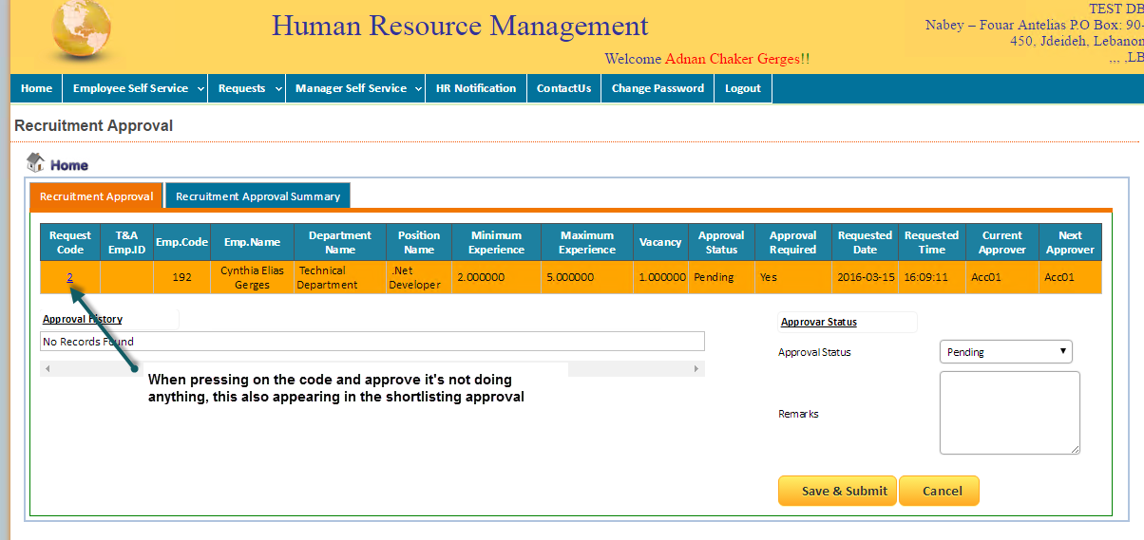

Log Entry :
03/15/2016 16:10:58
Error in: http://localhost:81/RecApproval.aspx. Error Message:1). [SAP AG][LIBODBCHDB32 DLL][HDBODBC32] General error;260 invalid column name: T1.DOCENTRY: line 1 col 176 (at pos 175)

__________________________

